INTRODUCTION
Introduction
Investing and debt are two key areas of personal finance. They are essentially two sides of the same coin:
- When you invest, you are being paid to let others use your money.
- When you borrow, you must pay others to use their money.
The charge associated with lending or borrowing money is called "interest". It is also known as the "rate of return" (what is being "returned" for the use of money).
You can think about it like this: Some people have extra money, and some people need money. So there is both a supply and a demand for money just like any other product or service (groceries, haircuts, etc). And just like any other product or service, the exchange comes at a price. The owner of the good receives the price; the buyer/user of the good pays the price. When it comes to exchanging money, that price is called "interest" or the "rate of return".
Both investing and borrowing are inextricably linked to "Time Value of Money"(TVM) concepts. Thus, before proceeding further in the course, it's imperative that you have a good handle on these concepts and practice applying them to "what if?" scenarios.
Instructions:
Complete this Excel Workbook in the order presented, starting with Worksheet 1 (use tabs at the bottom to move between worksheets). There are answers for you to submit on Worksheet 6. Make sure you SCROLL DOWN each page since there is some content that you might not see otherwise. Even if you have already been introduced to TVM in other courses, it doesn't hurt to review it again. Additionally, you'll learn to use an online calculator rather than performing TVM calculations by formula, by table, or by Excel.

1. Example #1
Example #1
Let's say I have $5,000 that I don't need right now. Let's also say my local bank is willing to pay 5% interest on deposits. The interest rate (5%) is the "rental charge" they are willing to pay me to have the use of my money. Furthermore, let's assume the 5% interest rate is guaranteed for a full 5 year period of time ("fixed rate").
We can calculate the interest I'll earn for the first year as follows: $5,000 x 5% = $250.
Rather than taking the $250 interest earnings out of the bank, let's assume I leave it in my account. At the end of Year 1, the balance in my account looks like this:
$5,000 beginning balance + $250 interest = $5,250
Notice that the bank now has $5,250 of my money, not just the original $5,000. Therefore, in Year 2, the "rental charge" (interest) they'll pay me for the use of my money will be:
$5,250 x 5% = $262.50
Notice how the interest in Year 2 is higher than the interest in Year 1 because the balance in my account was higher than it was the first year.
As long as I leave the interest earnings in the account, rather than taking it out, the balance in my account will continue to grow. As a result, the interest earnings will be larger and larger with each passing year, as shown in the table below. This table walks through the interest calculations each year, over a 5 year period of time. Take a minute to walk through the calculations yourself, until you understand how they work. Notice how the end of year balance becomes the beginning of the year balance the next year. If needed, look at the formulas in each cell until you grasp the logic in the table.

Side note about banking: The money you deposit at a bank doesn't actually sit there. The bank makes it's profit by investing the deposits it receives from people. The "spread" between their investment income (say 9%) and the interest they pay you (say 5%) becomes their profit. Banking is heavily regulated by the US government to insure that the banks have enough "cash on hand" to give you your money when you want it. Your deposits at a bank are also FDIC insured (Federal Deposit Insurance Corporation), which means, if the bank goes out of business, the FDIC will give you your money back (up to $250,000 per depositor, per bank, per ownership category.) The FDIC came into existence in 1933 as a result of the bank failures during the early years of the Great Depression.
If you prefer to deposit your savings in a strictly online bank, rather than one with brick-and-mortar retail locations, your money is perfectly safe as long as the bank is FDIC insured.
If you want a quick overview of what IS insured and is NOT insured by the FDIC, go to this website: FDIC at a glance

Notice how the balance gets larger and larger every year as long as I don't take my original deposit or the interest I've earned out of the account.
Year | Beginning of Year Balance | Interest rate | Interest | End of Year Balance
1 | $5,000.00 | 5% | $250.00 | $5,250.00
2 | $5,250.00 | 5% | $262.50 | $5,512.50
3 | $5,512.50 | 5% | $275.63 | $5,788.13
4 | $5,788.13 | 5% | $289.41 | $6,077.53
5 | $6,077.53 | 5% | $303.88 | $6,381.41

Even though the interest rate remains 5%, the dollar amount of interest I earn each year gets progressively larger. That's because the balance in the account, on which the interest is calculated, continues to get larger.

2. TVM and Example #2
Time value of money (TVM) and Example #2
The illustration we just went over is an example of the "Time value of Money" (TVM). The value of money does not stay stagnant over time. It always grows because people and businesses are willing to pay a "rental charge" (interest) in order to have access to it. Its value at any date in the future (its "Future Value") depends on three factors:
P= principal amount of our investment ($5,000 single lump sum deposit in our example)
I= interest rate (5% in our example) also known as the "rate of return"
N= number of periods over which interest is calculated (5 years in our example)
Example #1 is repeated directly below this box for comparative purposes as we move on to Example #2, below it.

Principal amount: $5,000 lump sum deposit

Interest rate = 5%

Future value =$6,381.41
under the following conditions:
Principal lump sum of $5,000
Interest rate of 5%
Number of periods= 5 years
Year | Beginning of Year Balance | Interest rate | Interest | End of Year Balance
1 | $5,000.00 | 5% | $250.00 | $5,250.00
2 | $5,250.00 | 5% | $262.50 | $5,512.50
3 | $5,512.50 | 5% | $275.63 | $5,788.13
4 | $5,788.13 | 5% | $289.41 | $6,077.53
5 | $6,077.53 | 5% | $303.88 | $6,381.41

Example #2: Periodic deposits (annuities)
Now let's try a second example. Let's say I don't have a spare $5,000 sitting around. Rather, I plan to first earn money, and then deposit $1,000 at end of each year for 5 years. In total I will still be depositing $5,000 into the bank account, but not all at one time. I'll do it slowly over time. In finance terms, this is known as an "annuity" which is just a fancy term for saying I will be making equal periodic deposits ($1,000) at equal time intervals (end of each year). In layman's language, these periodic deposits are sometimes also known as "installments" or "additional contributions". Let's continue to assume the bank will pay a 5% interest rate. The future value of the account will again depend on three variables:
P= principal amount of our investments ($0 to start, but additional periodic contributions or deposits of $1,000 per year)
I = interest rate (5%)
N= number of periods (5 years)
Will this investment strategy yield the same "future value" as Example #1? No it will not. Let's see how it differs:
Year 1: No money is deposited until the end of the year, so the bank doesn't owe me any rental charge (interest) during year 1.
Year 2: $1,000 balance x 5% = $50 interest. In addition, I'll deposit another $1,000 at the end of the year as part of my savings plan. My balance in the account at the end of Year 2 will be $2,050 (=$1,000 beginning of year balance + $50 interest + $1,000 new deposit)
The pattern repeats, as shown in the table below. Take a minute to walk through it so that you understand how the calculations work.

Future value =$5,525.63
under the following conditions:
Annual deposits of $1,000 at the end of each year
Interest rate of 5% per year
Length of time = 5 years
Year | Beginning of Year Balance | Interest Rate | Interest | End of Year Annual Deposit | End of Year Balance
1 | $- | 5% | $- | $1,000.00 | $1,000.00
2 | $1,000.00 | 5% | $50.00 | $1,000.00 | $2,050.00
3 | $2,050.00 | 5% | $102.50 | $1,000.00 | $3,152.50
4 | $3,152.50 | 5% | $157.63 | $1,000.00 | $4,310.13
5 | $4,310.13 | 5% | $215.51 | $1,000.00 | $5,525.63

As before, notice how the dollar amount of interest earned increases significantly each year, as the balance on which it is calculated increases.
Total amount deposited is $5,000. But instead of depositing it all as a lump sum at the beginning of the 5 years, its been deposited in $1,000 installments at the end of each year.

Notice how I didn't earn near as much interest in Example #2 as I did in Example #1. In fact, I earned about $856 less under my second example, even though I deposited the SAME amount of money in total ($5,000). The reason is due to timing. In the first example, the bank was paying me interest on the whole $5,000 plus accumulated interest, for the entire 5 year period. In the second example, the bank only had to pay me interest on what I had deposited to date, plus the accumulated interest. The TIMING of the savings deposits had a significant impact on the future value of the account ($6,381 versus $5,525).
This leads to an important lesson about the time value of money: All else being equal, the sooner money is invested, the larger its future value.

3. You try Example #1
Financial Calculators
We could continue to do TVM calculations by creating a table as we did earlier, or we could use the Future Value function in Excel to do these calculations. However, there are many free, user-friendly TVM calculators available online that have cool graphing features, so let's give one of them a try. All of these websites and functions use the same mathematical logic as we just demonstrated in the tables.
You only need to know one more thing to use the calculators. These calculators always ask how often interest is COMPOUNDED , which means, how often is the interest calculated. In our Examples #1 and #2, we calculated interest at the end of each year which means the interest was compounded (calculated) annually. Interest can be calculated more frequently than once a year. We'll try a more frequent compounding period in a later worksheet.
1. Go to the link found in Cell O8
2. Fill in the appropriate information from Example #1:
N periods= 5 years; Starting Amount (Principal)= $5,000; Interest rate/year = 5%; Additional contributions = $0 (in first example). Use an ANNUAL compounding since that's what we did in our example
Then click "Calculate". Notice the results on the right side of the screen.
Check your inputs and results against the screen shot below: move my green blocks out of the way to see if you input the right information
3. Check: Does the End Balance in the "results" section agree to what we found on the table? It should! I've left the table on this worksheet as a reference for comparison.
4. Next, check out the graphs. Notice the shapes of the lines, and how the dollar amount of interest is getting bigger each year. You can tell, because the curve slopes upward at an increasing rate (exponential function). Also check the piechart to see the percentage of the account balance that came from earning interest.
5. Scroll down to the "schedule" and note its similarity to the table that we developed in Excel.

 |  |  |  |  | https://www.calculator.net/investment-calculator.html

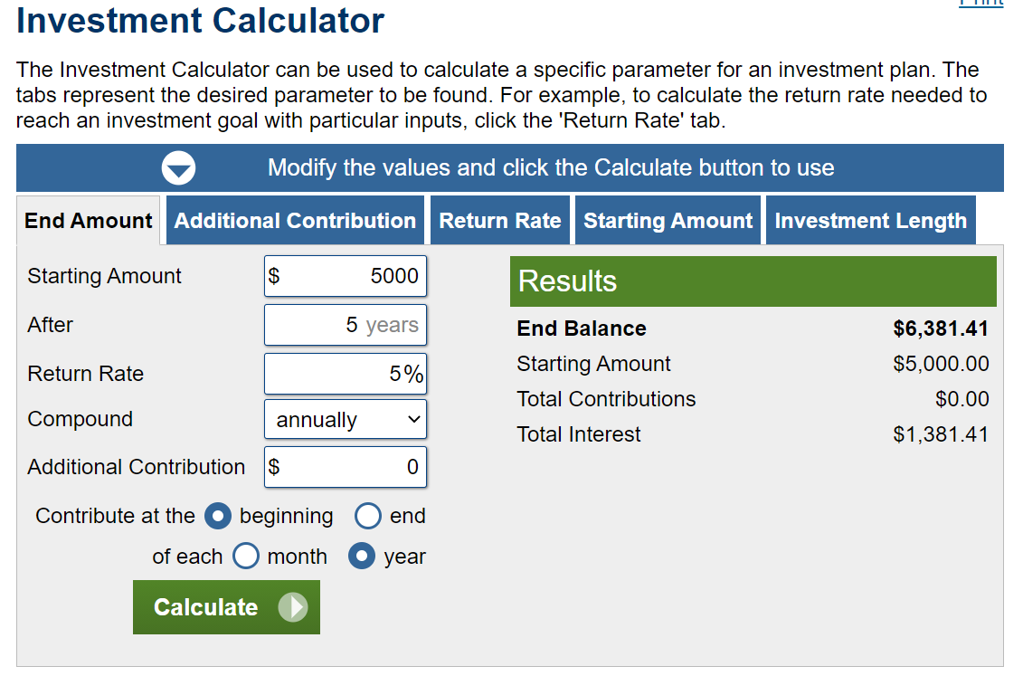

Principal amount: $5,000 lump sum deposit

Interest rate = 5%

Future value =$6,381.41
under the following conditions:
Principal lump sum investment of $5,000
Interest rate of 5%
Length of time = 5 years
Year | Beginning of Year Balance | Interest rate | Interest | End of Year Balance
1 | $5,000.00 | 5% | $250.00 | $5,250.00
2 | $5,250.00 | 5% | $262.50 | $5,512.50
3 | $5,512.50 | 5% | $275.63 | $5,788.13
4 | $5,788.13 | 5% | $289.41 | $6,077.53
5 | $6,077.53 | 5% | $303.88 | $6,381.41
 |  | Total = | $1,381.41

4. You try Example #2
Example #2: Periodic deposits
Now let's try Example #2, which was the yearly deposits (annuity) of $1,000 at the end of each year for 5 years.
1. Go to the same calculator (link in cell O8)
2. Fill in the appropriate information from Example #2:
N periods = 5 years; Starting Amount (Principal)= $0; Interest rate/year = 5%; Periodic Deposits (Additional contributions)= $1,000 each year
Check your inputs against the screen shot below (move my green block out of the way ). Since the deposits are made on a YEARLY basis, the compounding will be ANNUALLY, so make sure you've told the calculator the right compounding frequency.
3. Does the End Balance in the "Results" section agree to what we found in our table? It should! ( If you get a different number, check your inputs carefully. Perhaps you accidentally used monthly deposits instead of yearly deposits!)
4. Check out the graphs. Notice that the shape of the graph is completely different under the Annuity Example. Also notice on the pie chart, that a smaller percentage of the balance came from interest earnings.
5. Scroll down to the "schedule" and note its similarity to the green table that we used to do the TVM calculations earlier.

 |  |  |  |  |  | https://www.calculator.net/investment-calculator.html

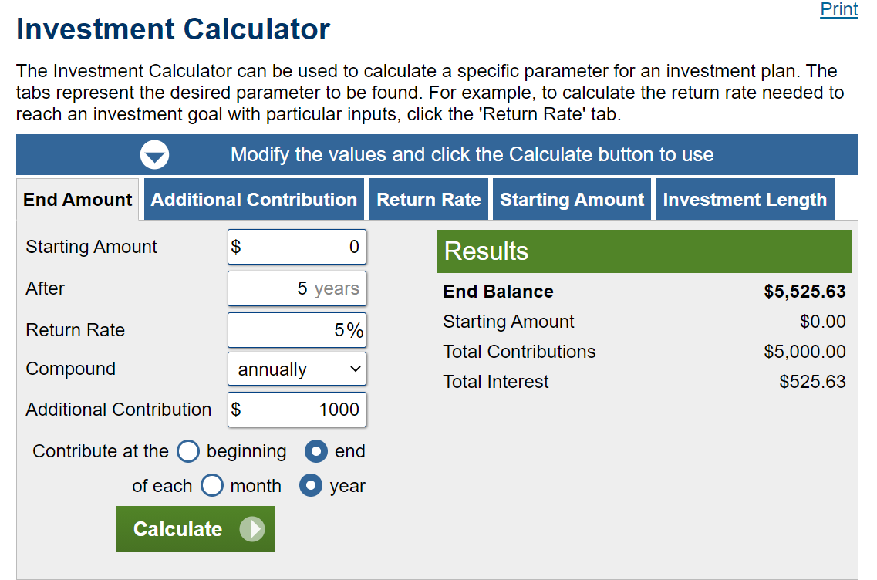

Future value =$5,525.63
under the following conditions:
Principal Annuity of $1,000
Interest rate of 5%
Length of time = 5 years
Year | Beginning of Year Balance | Interest Rate | Interest | End of Year Annual Deposit | End of Year Balance
1 | $- | 5% | $- | $1,000.00 | $1,000.00
2 | $1,000.00 | 5% | $50.00 | $1,000.00 | $2,050.00
3 | $2,050.00 | 5% | $102.50 | $1,000.00 | $3,152.50
4 | $3,152.50 | 5% | $157.63 | $1,000.00 | $4,310.13
5 | $4,310.13 | 5% | $215.51 | $1,000.00 | $5,525.63

You now know how to do TVM calculations for both 1) single lump sum deposits and 2) periodic installments (annuities), in situations in which interest is calculated on a yearly basis.

5. Monthly deposits
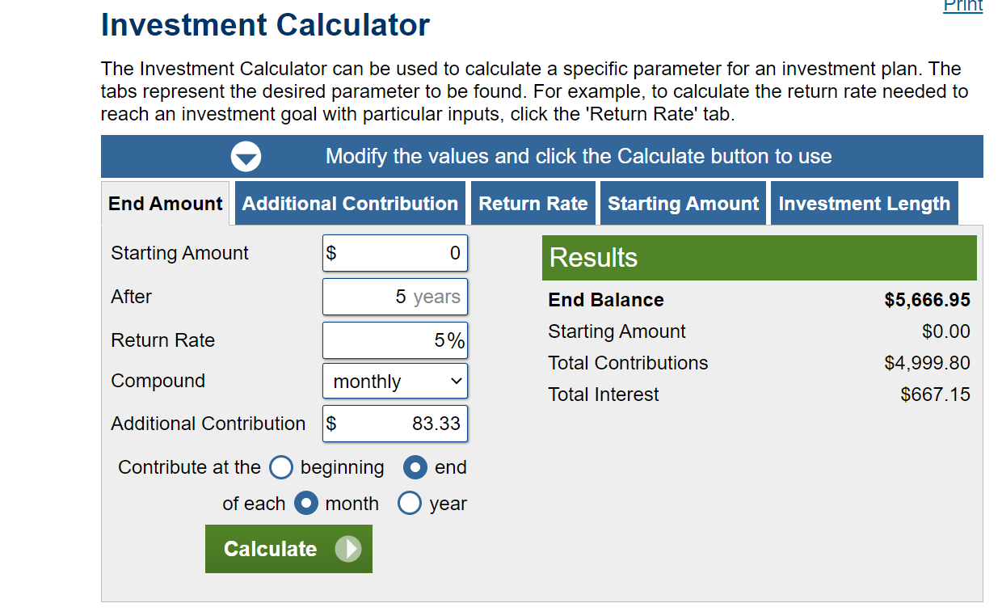
Monthly deposits rather than yearly deposits
Most financial transactions occur more frequently than once a year. In fact many occur once a month (think about monthly cell phone bills, car loan payments, utility bills, apartment rent payments, mortgage payments, etc.). Employees are often paid once a month (or even more frequently) and have the ability to deposit part of their pay directly into bank savings accounts and retirement plan accounts (401k). Thus, in TVM calculations, we often want to state N (number of periods) in months rather than years. This also means we'll calculate (compound) interest monthly, not annually.
For example, instead of depositing $1,000 at the end of each year for 5 years, let's say I want to deposit 1/12th of that amount (=$83.33) at the end of every monthly pay period for the next 5 years.
When we do TVM calculations using periods of time that are shorter than a year, we must adjust all three variables (P, I, and N) so that they are all stated on a consistent basis.
If we were to deposit $83.33 monthly, we would adjust P, I, and N as follows in order to find the future value of our deposits:
P = Periodic deposit= $83.33 per month (=$1,000 per year ÷ 12 months per year)
I = Interest rate = .004166666 = .41666666% per month (=5% per year ÷ 12 months per year).
N= 60 months (= 12 months per year x 5 years)
We'll first do a table to illustrate the mathematical calculations and then we'll check our results against the online calculator at the bottom of the worksheet. Investment calculators do the math adjustments to I and N for you by asking how often you are making the contributions and how often the interest rate is compounded.

Month | Beginning of Month Balance | Interest Rate | Interest | Monthly Deposit | End of Month Balance
1 | $- | 0.4167% | $- | $83.33 | $83.33
2 | $83.33 | 0.4167% | $0.35 | $83.33 | $167.01
3 | $167.01 | 0.4167% | $0.70 | $83.33 | $251.03
4 | $251.03 | 0.4167% | $1.05 | $83.33 | $335.41
5 | $335.41 | 0.4167% | $1.40 | $83.33 | $420.14
6 | $420.14 | 0.4167% | $1.75 | $83.33 | $505.22
7 | $505.22 | 0.4167% | $2.11 | $83.33 | $590.65
8 | $590.65 | 0.4167% | $2.46 | $83.33 | $676.44
9 | $676.44 | 0.4167% | $2.82 | $83.33 | $762.59
10 | $762.59 | 0.4167% | $3.18 | $83.33 | $849.10
11 | $849.10 | 0.4167% | $3.54 | $83.33 | $935.97
12 | $935.97 | 0.4167% | $3.90 | $83.33 | $1,023.20
13 | $1,023.20 | 0.4167% | $4.26 | $83.33 | $1,110.79
14 | $1,110.79 | 0.4167% | $4.63 | $83.33 | $1,198.75
15 | $1,198.75 | 0.4167% | $4.99 | $83.33 | $1,287.07
16 | $1,287.07 | 0.4167% | $5.36 | $83.33 | $1,375.77
17 | $1,375.77 | 0.4167% | $5.73 | $83.33 | $1,464.83
18 | $1,464.83 | 0.4167% | $6.10 | $83.33 | $1,554.26
19 | $1,554.26 | 0.4167% | $6.48 | $83.33 | $1,644.07
20 | $1,644.07 | 0.4167% | $6.85 | $83.33 | $1,734.25
21 | $1,734.25 | 0.4167% | $7.23 | $83.33 | $1,824.80
22 | $1,824.80 | 0.4167% | $7.60 | $83.33 | $1,915.74
23 | $1,915.74 | 0.4167% | $7.98 | $83.33 | $2,007.05
24 | $2,007.05 | 0.4167% | $8.36 | $83.33 | $2,098.74
25 | $2,098.74 | 0.4167% | $8.74 | $83.33 | $2,190.82
26 | $2,190.82 | 0.4167% | $9.13 | $83.33 | $2,283.28
27 | $2,283.28 | 0.4167% | $9.51 | $83.33 | $2,376.12
28 | $2,376.12 | 0.4167% | $9.90 | $83.33 | $2,469.35
29 | $2,469.35 | 0.4167% | $10.29 | $83.33 | $2,562.97
30 | $2,562.97 | 0.4167% | $10.68 | $83.33 | $2,656.98
31 | $2,656.98 | 0.4167% | $11.07 | $83.33 | $2,751.38
32 | $2,751.38 | 0.4167% | $11.46 | $83.33 | $2,846.17
33 | $2,846.17 | 0.4167% | $11.86 | $83.33 | $2,941.36
34 | $2,941.36 | 0.4167% | $12.26 | $83.33 | $3,036.95
35 | $3,036.95 | 0.4167% | $12.65 | $83.33 | $3,132.93
36 | $3,132.93 | 0.4167% | $13.05 | $83.33 | $3,229.32
37 | $3,229.32 | 0.4167% | $13.46 | $83.33 | $3,326.10
38 | $3,326.10 | 0.4167% | $13.86 | $83.33 | $3,423.29
39 | $3,423.29 | 0.4167% | $14.26 | $83.33 | $3,520.88
40 | $3,520.88 | 0.4167% | $14.67 | $83.33 | $3,618.88
41 | $3,618.88 | 0.4167% | $15.08 | $83.33 | $3,717.29
42 | $3,717.29 | 0.4167% | $15.49 | $83.33 | $3,816.11
43 | $3,816.11 | 0.4167% | $15.90 | $83.33 | $3,915.34
44 | $3,915.34 | 0.4167% | $16.31 | $83.33 | $4,014.99
45 | $4,014.99 | 0.4167% | $16.73 | $83.33 | $4,115.04
46 | $4,115.04 | 0.4167% | $17.15 | $83.33 | $4,215.52
47 | $4,215.52 | 0.4167% | $17.56 | $83.33 | $4,316.42
48 | $4,316.42 | 0.4167% | $17.99 | $83.33 | $4,417.73
49 | $4,417.73 | 0.4167% | $18.41 | $83.33 | $4,519.47
50 | $4,519.47 | 0.4167% | $18.83 | $83.33 | $4,621.63
51 | $4,621.63 | 0.4167% | $19.26 | $83.33 | $4,724.22
52 | $4,724.22 | 0.4167% | $19.68 | $83.33 | $4,827.23
Notice that the future value is a few hundred dollars higher than when we deposited $1,000 at the end of each year. Even though the same total dollar amount was deposited over the 5 year period ($5,000), each deposit was made SOONER, so the account balance was growing larger FASTER.
Once again, the moral of the story is that the sooner you start investing, the more you let TIME do the work for you.
53 | $4,827.23 | 0.4167% | $20.11 | $83.33 | $4,930.67
54 | $4,930.67 | 0.4167% | $20.54 | $83.33 | $5,034.55
55 | $5,034.55 | 0.4167% | $20.98 | $83.33 | $5,138.85
56 | $5,138.85 | 0.4167% | $21.41 | $83.33 | $5,243.60
57 | $5,243.60 | 0.4167% | $21.85 | $83.33 | $5,348.78
58 | $5,348.78 | 0.4167% | $22.29 | $83.33 | $5,454.39
59 | $5,454.39 | 0.4167% | $22.73 | $83.33 | $5,560.45
60 | $5,560.45 | 0.4167% | $23.17 | $83.33 | $5,666.95

Now you try it with the investment calculator. The link is provided again in cell O94 .
This time, make sure you change the interest COMPOUNDING to MONTHLY. The calculator automatically takes into account the adjustments to interest rate and number of periods given your answers to the questions. Also, make sure you say the additional investments are made at the END of each month (not beginning) since that's what we used in our example. It's the typical situation, too, since you won't get paid until the end of the work period, not the beginning.
Check your inputs against the screenshot below. Move the green block to see if you were correct.
1. Does the Future Value in the "results" section agree with our table? It should!
2. Check out the information in the line graph and pie chart. Notice the slight upward curve to the interest and balance. This shows that the dollar amount of interest grows at an exponential rate, not at a constant rate.
 |  |  |  |  |  | https://www.calculator.net/investment-calculator.html

6. Rate of return
Rate of Return (interest rate)
Now you know how to calculate the future value of lump sums and perodic deposits, using different compounding periods.
We used a simple example of a bank deposit account which earned a fictitious 5% interest rate. Actually, interest rates for bank deposits are currently extremely low (hovering at less than 1%). However, back in 1980 interest rates were around 16%!
Interest rates at banks are extremely low, in part, because there is absolutely no risk that you will lose your money. Bank deposit accounts are insured by the FDIC (Federal Deposit Insurance Corporation) up to $250,000 per deposit account. If the bank were to go belly up, as some nearly did in 2009, the FDIC would give you your money. Hence, you have almost zero risk.
The return you earn on your money is inversely related to risk. The more risk you take on, the more return you'll demand for the use of your money. The amount of risk you are willing to take on will depend, in part, on when you think you'll need your money. If you may need it in the short run (1-5 years), you don't want to risk losing it, so you'll want to keep it in a low-risk investment (such as a bank account or in US Treasury Bills, which are backed by the US government). For example, your "emergency fund" should be kept in a low risk savings account.
However, for money you won't need for a long time (say 35-40 years from now when you retire) you'll want to take on more risk so that you can earn a higher return. You can also afford to take on more risk because you have a long investment horizon, and can weather any ups and downs that may come along before you need the money. Thus most people invest their retirment funds in stocks and bonds since these investments provide higher rates of return as a result of their higher risk. We'll cover these different types of investments in an upcoming class.
Regardless of the actual investment vehicle (bank accounts, T-bills, stocks, bonds, mutual funds, ETFs, real estate, gold, etc.) the TVM principles we reviewed in this workbook hold true. The expected rate of return (charge for using your money) can be used as the interest rate in all TVM calculations, regardless of whether the rate of return consists of interest rates on bank accounts or bonds, or appreciation of stock, gold, or real estate.
For each of the following 8 scenarios, use the TVM calculator to find the future value of the investment. Also determine the "out-of-pocket" cost associated with each investment strategy (the first out-of-pocket cost is listed as an example: $6,000 per year x 40 years= $240,000).
NOTE: Make sure you are careful about selecting the proper compounding period (annual vs monthly), the right time frame (annual versus monthly contributions) and are making END of period contributions.
Record your answers to the following EIGHT scenarios and then answer the question at the end.

First we'll try ANNUAL deposits and compounding. Make sure you specify the correct timing on the calculator! | Future Value | Out-of-pocket cost | What do you notice from the pie chart about interest and deposits?
1. You invest $6,000 at the end of every year for 40 years and invest it at 8%. |  | $240,000
2. Same as (1) except you don't get around to investing until you are 10 years out of college. Thus, you only have a 30 year time horizon to invest, rather than 40.
3. Same as (1) except you are afraid of the stock market, so you invest in low-risk Aaa corporate bonds at a 3% interest rate for 40 years.
4. Same as (3) except you don't get around to investing until 10 years out of college, so you only invest for 30 years.

Now we'll try MONTHLY deposits and compounding. Make sure you specify the correct timing on the calculator! | Future Value | Out-of-pocket cost
1b. You invest $500 at the end of every month for 40 years and invest it at 8%.
2b. Same as (1b) except you don't get around to investing until you are 10 years out of college. Thus, you only have a 30 year time horizon to invest, rather than 40.
3b. Same as (1b) except you are afraid of the stock market, so you invest in low-risk Aaa corporate bonds at a 3% interest rate for 40 years.
4b. Same as (3b) except you don't get around to investing until 10 years out of college, so you only invest for 30 years.

Reflect: What are the key lessons learned from comparing the results of these scenarios?

